BURKE - NEW
# | BULB | FIXTURE | PACKAGING | ORDER DESCRIPTION | USE LOCATION | INVEN | ORD
1 |  |  |  | A19 60W / LED(Dimmable) - Soft White / 8 BLB per box | Dining
2 |  |  |  | Philips Flood Light 65w BR30 | IN-RECESS
3 |  |  |  | Ecosmart Bright White 100W 186-353 | Hood
5 |  | 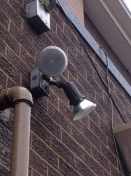 |  | Philips Flood Light 90W PAR38 | Outdoor
6 |  |  |  | 2 ft. x 4 ft. 4500 Lumens Integrated LED Flat Panel Light 4000K | Kitchen
7 |  |  |  | A19 60W / LED(Dimmable) - Soft White / 8 BLB per box | Light Fixtures
8 |  |  |  | LED S14 Bulb - 2 Watt - 25 Watt Equal | Patio

 |  |  |  | Vapor-tight fixture with a ribbed lens | Walk-In Cooler
9

